Sheet1
Q.No | Question | Answer
1 | Which of the following are capabilities of record types? Select three. A)Connect and unify your data from different sources B)Track event history with record events C)Assign tasks to users in a business process D)Secure your enterprise data with a layered approach | a,b,d | abd
 | 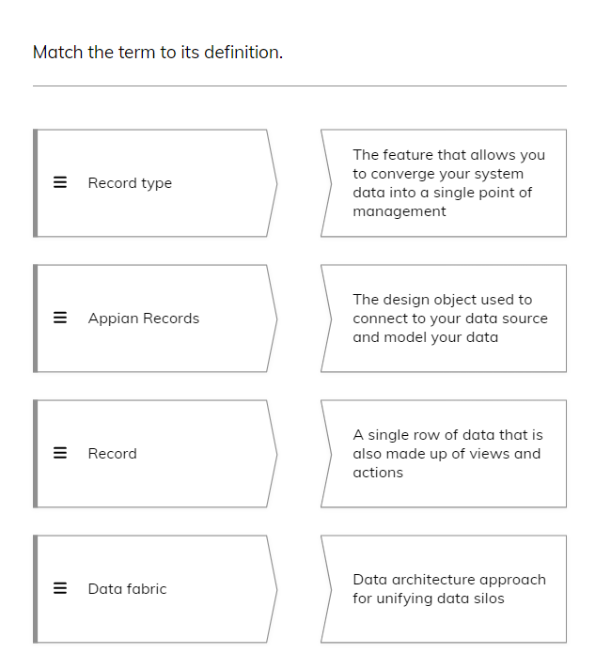 | 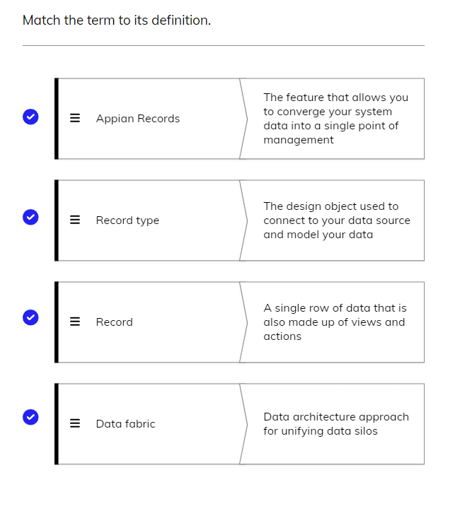
2 | Which record types will be created in your app? A)Project B)Project Status C)Approval D)Contractor E)Project Event History | a,b,d,e | abde
3 | Other than "created project" and "updated project", which events should you capture? A)Approved project B)Paused project C)Completed project | a,b,c | abc
4 | Which of the following are record type summary views that you should create? A)Project and Project Manager B)Project Manager and Contractor C)Project and Contractor D)Project Event History and Contractor | c | abc
5 | Which user group should be able to use the "Create Project" action? A)Project Managers B)Construction Managers C)Contractors D)All Users | a | a
6 | When configuring a data source using existing data, which of the following source types can you use? A)Database B)Process model C)Salesforce object D)Web service E)Interface object | a,b,c,d | abcd
7 | Which of the following are steps you can take when generating a new data source? A)Set record-level security B)Select a data source C)Add record fields D)Add relationships to existing record types | b,c,d | bcd
8 | True or false? You can change sync settings on the Sync Options page of the record type. A)True B)False | a | a
9 | Which relationship do you need if a single record in the base record type is related to multiple records in the related record type? A)One-to-many B)Many-to-one C)One-to-one D)Many-to-many | a | a
10 | When can you configure a record type relationship? Select two. A)On the Data Model page after you generate a new data source B)Before you select an existing data source C)After you configure the data source when generating a new data source D)After you configure security | a,c | ac
11 | The Rivertown project management app has record types for Project and Site. Site contains record fields for the address, site manager, how many projects are on the site, and a description. Site is related to Project with projectId as the common field. Which field should you configure as a custom record field? A)An address field B)Site manager C)Number of projects D)Description | c | c
12 | You are building a dashboard with project metrics for Rivertown supervisors. Which of the following are insights you could use custom record fields to display? Select two. A)Number of tasks on each project B)The project due date C)A list of tasks D)Number of days a project is overdue | a,d | cd
13 | You should configure record events before which step? A)Structuring your data B)Adding relationships to related record types C)Generating or configuring views and actions D)Changing record type security | c | c
14 | What kind of insight does record events give you? A)Calculated values from your source data B)What data is related to your base record type C)Who can see what data D)Who took action when | d | d
15 | True or false? You will use the record type to pass record data throughout your application, including displaying data in interfaces and writing data in process models. A)True B)False | a | a
16 | Queries return data based on specific criteria. Which of the following are ways you can use queries in your application? Select three. A)Show data on a form B)Setting object security C)Populate choices in a dropdown component D)Display data in a report | a,c,d | acd
17
18 | Which changes can you make when editing the record list? Select three. A)How many rows of records display at a time B)The order of columns C)Which users can see which rows of data D)The record list style as a feed or grid | a,b,d | abd
19 | To create a user filter that contains dynamic choices based on your data, what do you need to do? A)Select the static filter option, and use functions to create a dynamic list of options B)Ensure that the “User can select multiple options” checkbox is selected C)Create multiple filter options D)Create an expression-based filter | d | d
20 | Which of the following are steps you can take to configure a new view? Select two. A)Call an interface and identify the record data to pass into it B)Change the record title to dynamically display record data C)Reference the process model for the action D)Add record fields to the data model | a,b | ab
21 | How do related actions differ from list actions? A)List actions take place in the context of a particular record B)List actions do not use any record data C)Related actions take place in the context of a particular record D)Related actions are specific to an application | c | c
22 | what best describes the purpose of record actions? A)Ensure users have the information needed to make decisions B)Integrate enterprise processes so users can take action on data C)Display data in customized views D)Calculate, simplify, and transform data | b | b
23 | Which of the following are steps you can take to create a new related action manually? Select three. A)Add a filter to only display certain actions B)Select the process model for the action C)Configure the context to pass data into the process D)Select the related action as a shortcut on a view | b,c,d | bcd
24
25 | Which of the following describe a record-level security rule configuration? Select two. A)Users in an Accountants group can only see projects in a certain department B)Users in an Accountants group cannot see any data in the Projects record type C)Users can only see projects that they are found in the assignedTo field for D)Only users in a Managers group can delete a project record | a,c | ac
26 | True or False? You can add more than one condition to refine when a view or action is visible to a user group. A)True B)False | a | a

